Layout
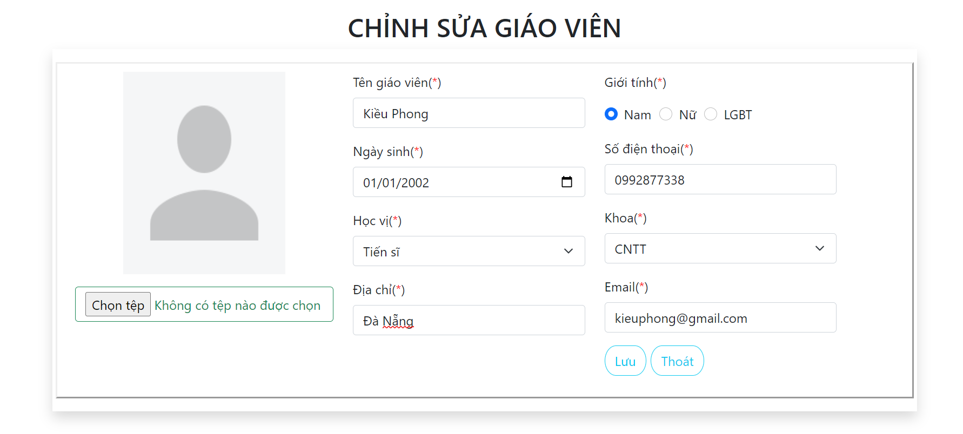
6.3.1.4 Màn hình thêm mới thông tin giáo viên
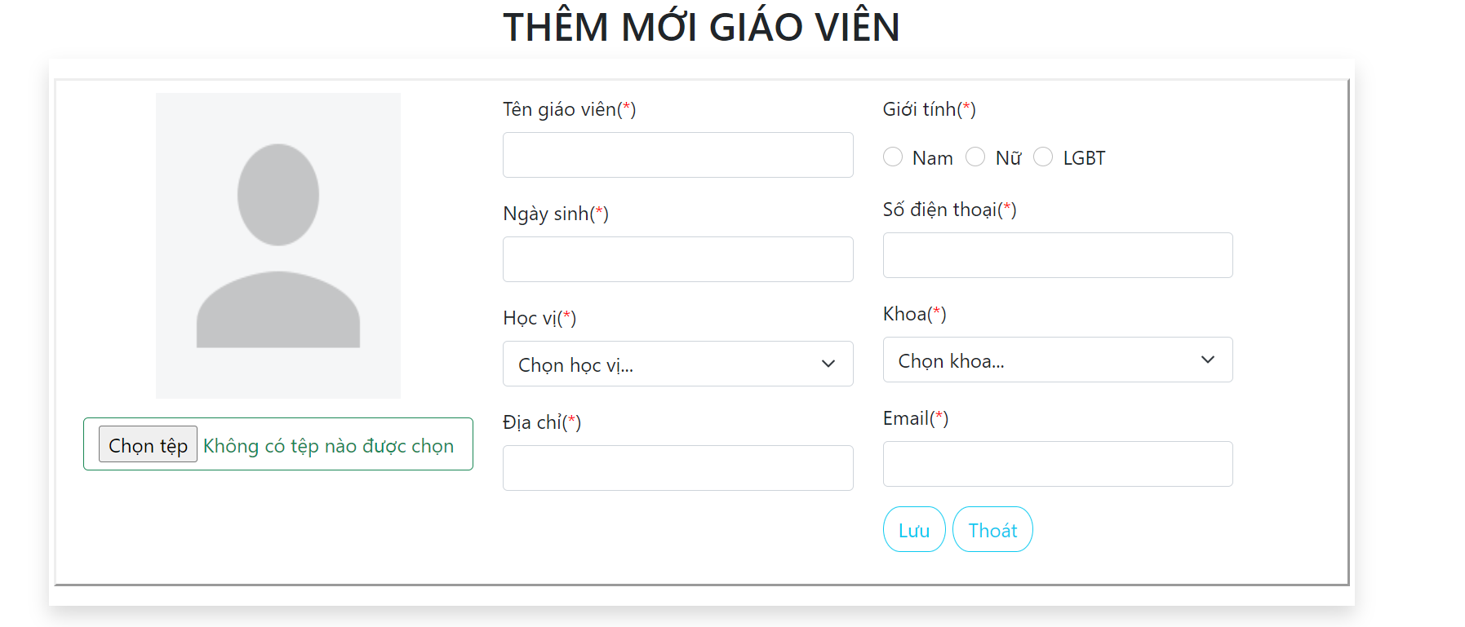

6.3.2 Màn hình sửa thông tin giáo viên

